Sheet1
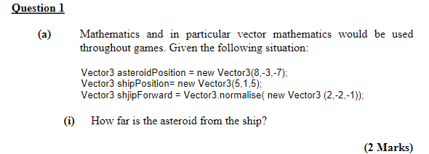

Source |  | 5 | 1 | 5
Destination |  | 8 | -3 | -7
RtoT |  | 3 | -4 | -12

Magnitude of RtoT |  |  | 13 |  | In Unity we use v.magnutude to get this

 |  | 0.23076923077 | -0.30769230769 | -0.92307692308

RtoT |  | 3 | -4 | -12
R_forward |  | 2 | -2 | -1
Scalar Dot |  | 26
 |  | Yes

Ship to ast | v
Ship forward | u
 | |v| | 13 |  |  |  | cos(theta) = | 0.66666666667
 | u= | 2 | -2 | -1
 | |u| | 3
 | v*u | 26

 |  |  | s = u t
 |  |  | v = u + a t
 |  |  | F = m a

